Dashboard
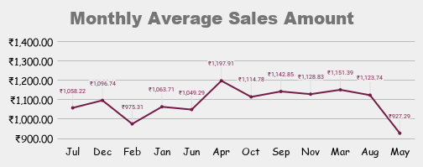
Store Wise Total Sales Amount
Top 10 Products by Sales amount
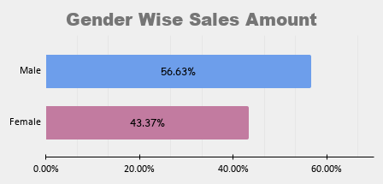

Top 10 Customers by Sales Amount

